Network
* Network Information

 |  |  |  |  |  | InService | R | X | Bc | TapAngle | TapRatio | Pmax | FixedCost | FxChargeRate
* | From bus i |  | To bus j |  | Circuit ID | [0 - 1] | [p.u.] | [p.u.] | [p.u.] | [º] | [p.u.] | [MW] | [M€] | [p.u.]
 | Node_1 | . | Node_2 | . | c1 | 1 |  | 0.0146 |  | 0.0000 | 1.0000 | 175
 | Node_1 | . | Node_3 | . | c1 | 1 |  | 0.2253 |  | 0.0000 | 1.0000 | 175
 | Node_1 | . | Node_5 | . | c1 | 1 |  | 0.0907 |  | 0.0000 | 1.0000 | 500
 | Node_2 | . | Node_4 | . | c1 | 1 |  | 0.1356 |  | 0.0000 | 1.0000 | 175
 | Node_2 | . | Node_6 | . | c1 | 1 |  | 0.2050 |  | 0.0000 | 1.0000 | 175
 | Node_3 | . | Node_9 | . | c1 | 1 |  | 0.1271 |  | 0.0000 | 1.0000 | 175
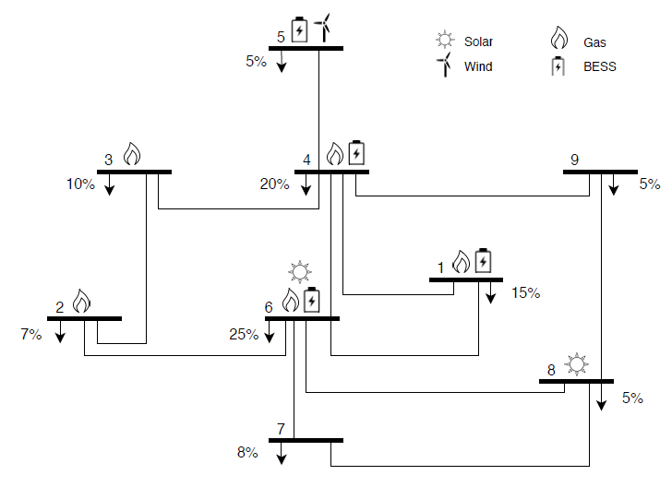
 | Node_3 | . | Node_24 | . | c1 | 1 |  | 0.0840 |  | 0.0000 | 1.0000 | 400
 | Node_4 | . | Node_9 | . | c1 | 1 |  | 0.1110 |  | 0.0000 | 1.0000 | 175
 | Node_5 | . | Node_10 | . | c1 | 1 |  | 0.0940 |  | 0.0000 | 1.0000 | 500
 | Node_6 | . | Node_10 | . | c1 | 1 |  | 0.0642 |  | 0.0000 | 1.0000 | 175
 | Node_7 | . | Node_8 | . | c1 | 1 |  | 0.0652 |  | 0.0000 | 1.0000 | 1000
 | Node_8 | . | Node_9 | . | c1 | 1 |  | 0.1762 |  | 0.0000 | 1.0000 | 175
 | Node_8 | . | Node_10 | . | c1 | 1 |  | 0.1762 |  | 0.0000 | 1.0000 | 175
 | Node_9 | . | Node_11 | . | c1 | 1 |  | 0.0840 |  | 0.0000 | 1.0000 | 400
 | Node_9 | . | Node_12 | . | c1 | 1 |  | 0.0840 |  | 0.0000 | 1.0000 | 400
 | Node_10 | . | Node_11 | . | c1 | 1 |  | 0.0840 |  | 0.0000 | 1.0000 | 400
 | Node_10 | . | Node_12 | . | c1 | 1 |  | 0.0840 |  | 0.0000 | 1.0000 | 400
 | Node_11 | . | Node_13 | . | c1 | 1 |  | 0.0488 |  | 0.0000 | 1.0000 | 500
 | Node_11 | . | Node_14 | . | c1 | 1 |  | 0.0426 |  | 0.0000 | 1.0000 | 500
 | Node_12 | . | Node_13 | . | c1 | 1 |  | 0.0488 |  | 0.0000 | 1.0000 | 500
 | Node_12 | . | Node_23 | . | c1 | 1 |  | 0.0985 |  | 0.0000 | 1.0000 | 500
 | Node_13 | . | Node_23 | . | c1 | 1 |  | 0.0884 |  | 0.0000 | 1.0000 | 500
 | Node_14 | . | Node_16 | . | c1 | 1 |  | 0.0594 |  | 0.0000 | 1.0000 | 500
 | Node_15 | . | Node_16 | . | c1 | 1 |  | 0.0172 |  | 0.0000 | 1.0000 | 500
 | Node_15 | . | Node_21 | . | c1 | 1 |  | 0.0249 |  | 0.0000 | 1.0000 | 500
 | Node_15 | . | Node_24 | . | c1 | 1 |  | 0.0529 |  | 0.0000 | 1.0000 | 500
 | Node_16 | . | Node_17 | . | c1 | 1 |  | 0.0263 |  | 0.0000 | 1.0000 | 500
 | Node_16 | . | Node_19 | . | c1 | 1 |  | 0.0234 |  | 0.0000 | 1.0000 | 500
 | Node_17 | . | Node_18 | . | c1 | 1 |  | 0.0143 |  | 0.0000 | 1.0000 | 500
 | Node_17 | . | Node_22 | . | c1 | 1 |  | 0.1069 |  | 0.0000 | 1.0000 | 500
 | Node_18 | . | Node_21 | . | c1 | 1 |  | 0.0132 |  | 0.0000 | 1.0000 | 1000
 | Node_19 | . | Node_20 | . | c1 | 1 |  | 0.0203 |  | 0.0000 | 1.0000 | 1000
 | Node_20 | . | Node_23 | . | c1 | 1 |  | 0.0112 |  | 0.0000 | 1.0000 | 1000
 | Node_21 | . | Node_22 | . | c1 | 1 |  | 0.0692 |  | 0.0000 | 1.0000 | 500

